RES
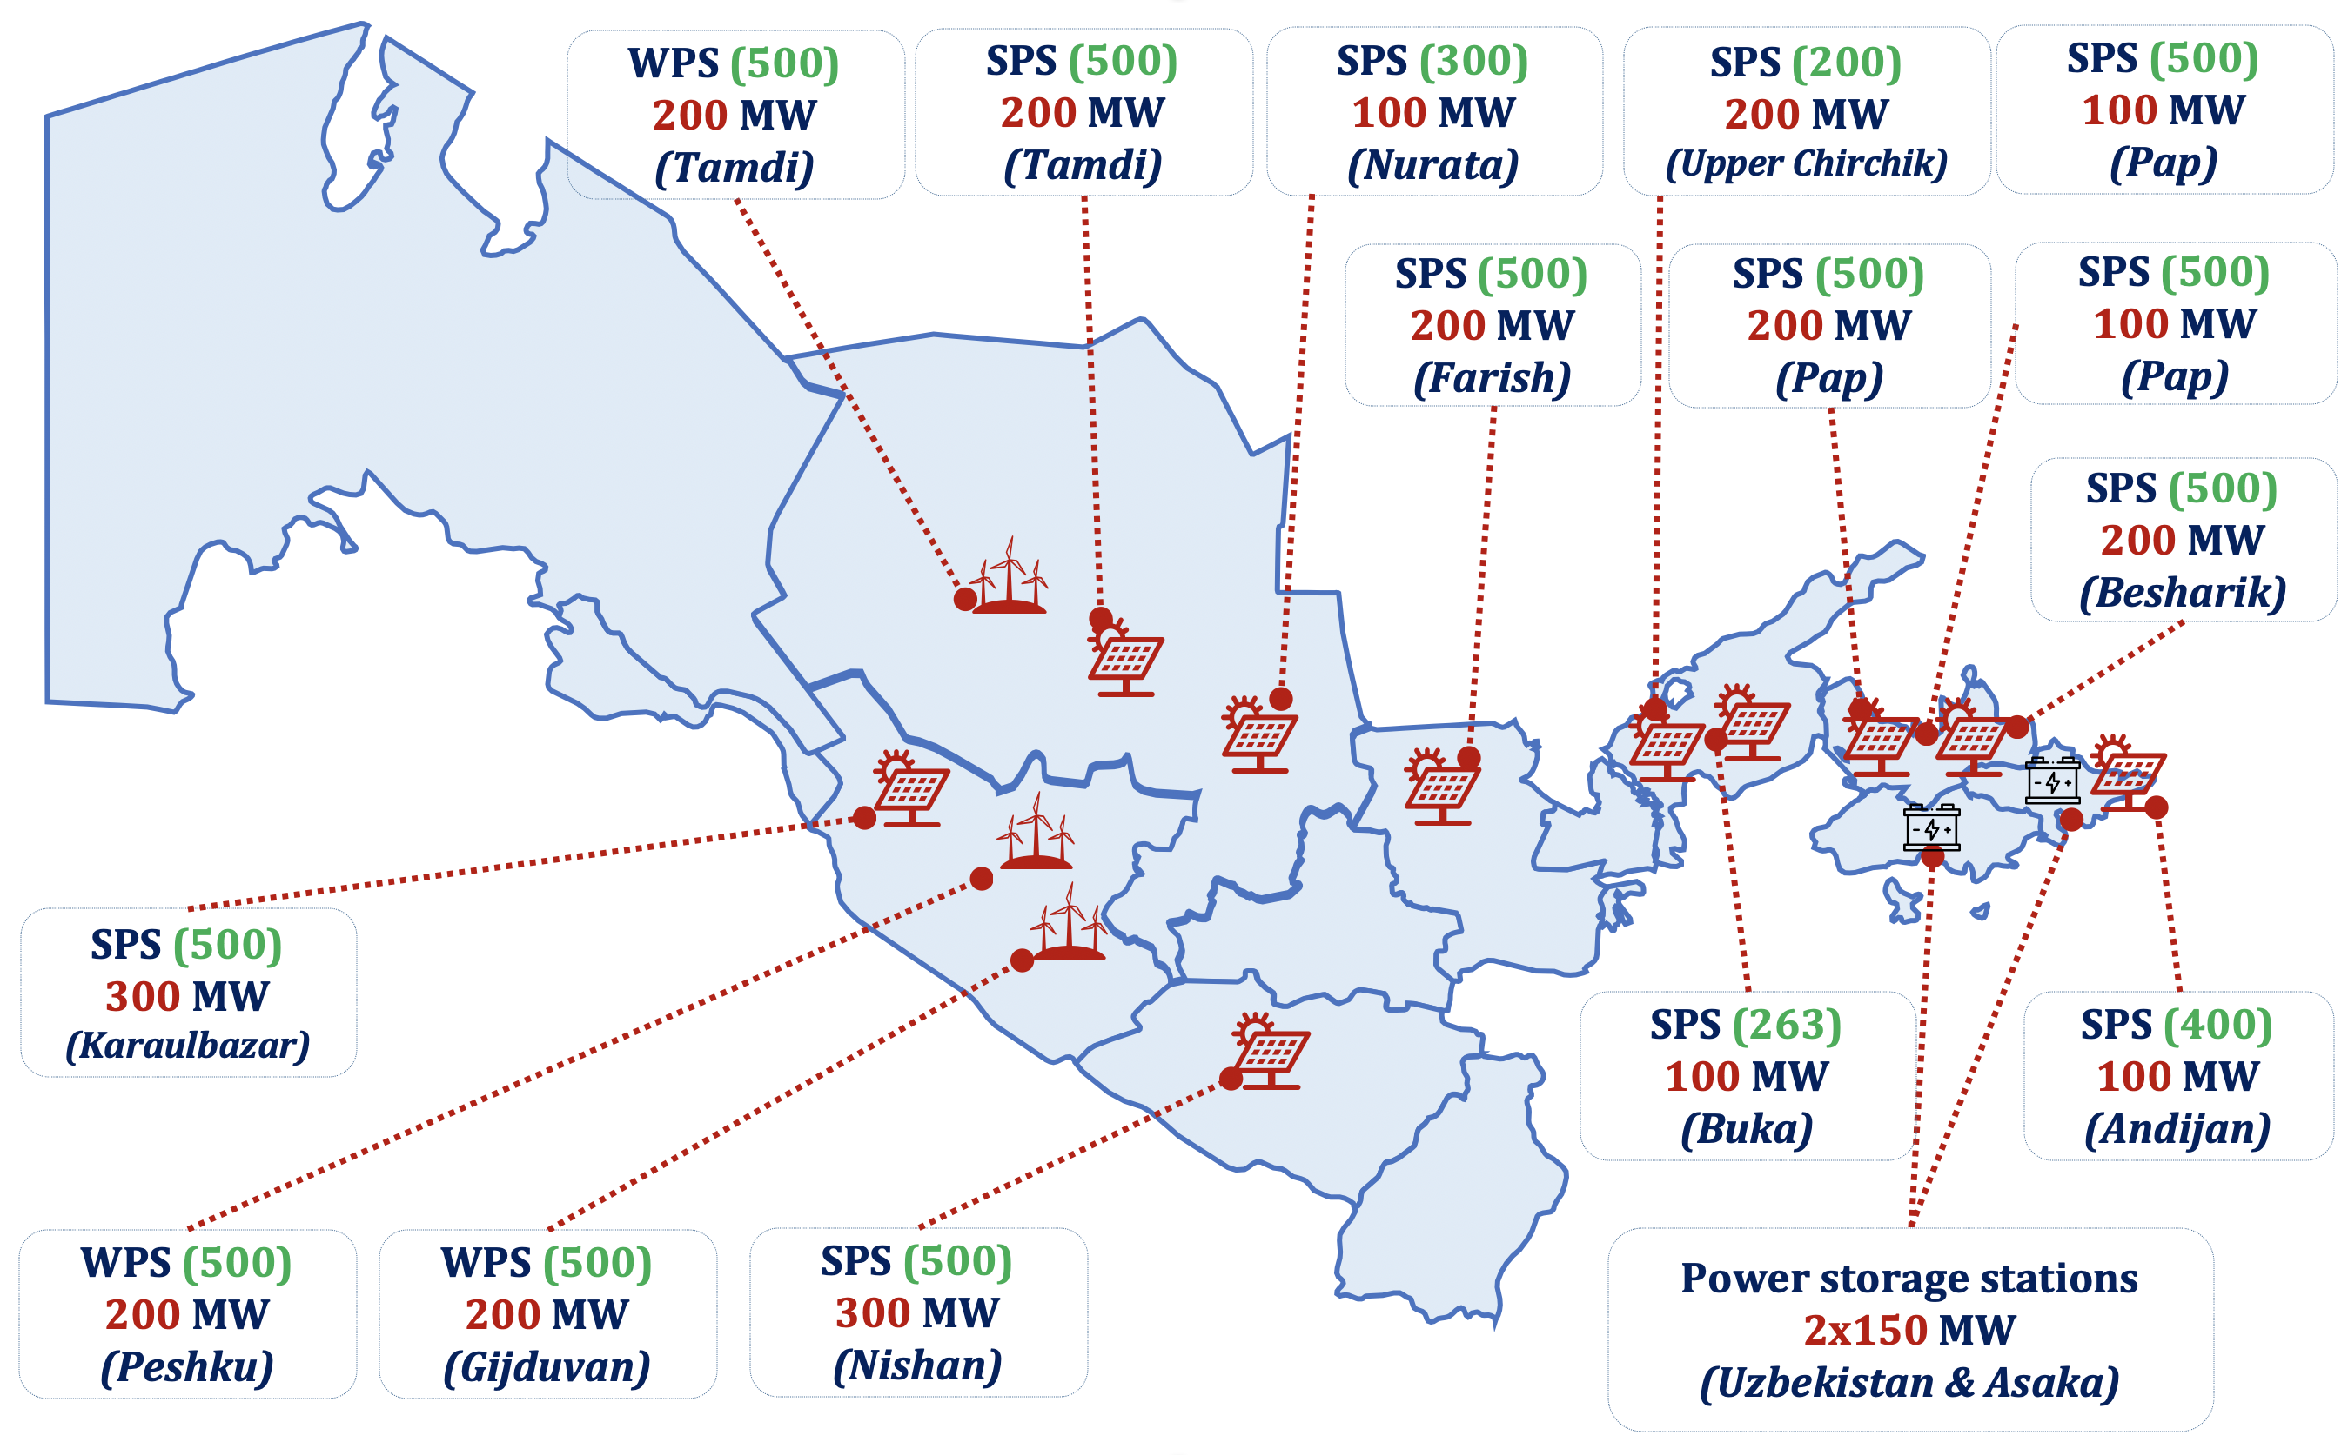
years |  | 2023 | 2024 | 2025 | 2026 | 2027 | 2028 | 2029 | 2030
Total capacity of the renewable energy stations
capacity | MW | 200 | 2,247 | 4,860 | 8,275 | 9,975 | 13,125 | 19,075 | 27,075
generation | MWh | 565 | 4,929 | 11,466 | 20,178 | 25,148 | 35,193 | 54,058 | 82,058
Solar Power Stations (SPS)
Ministry of Energy | years | 2023 | 2024 | 2025 | 2026 | 2027 | 2028 | 2029 | 2030
capacity | MW | 200 | 2,097 | 3,960 | 6,275 | 6,975 | 7,675 | 9,075 | 9,075
generation | GWh | 560 | 4,404 | 8,316 | 13,178 | 14,648 | 16,118 | 19,058 | 19,058
Wind Power Stations (WPS)
Ministry of Energy | years | 2023 | 2024 | 2025 | 2026 | 2027 | 2028 | 2029 | 2030
capacity | MW | 0 | 150 | 900 | 2000 | 3000 | 5450 | 10000 | 18000
generation | MWh | 5 | 525 | 3150 | 7000 | 10500 | 19075 | 35000 | 63000

Solar Power Stations
 | years | 2023 | 2024 | 2025 | 2026 | 2027 | 2028 | 2029 | 2030 | Contract
Karmana SPS "Masdar" | MW | 100 | 100 | 100 | 100 | 100 | 100 | 100 | 100 | 6 305 MW | PPA
Tutli SPS "Total Energis" | MW | 100 | 100 | 100 | 165 | 165 | 165 | 165 | 165 |  | PPA
Samarkand SPS "Masdar" | MW | 220 | 220 | 220 | 220 | 220 | 220 | 220 | 220 |  | PPA
Jizzakh SPS "Masdar" | MW | 220 | 220 | 220 | 220 | 220 | 220 | 220 | 220 |  | PPA
Sherabad SPS "Masdar" | MW | 457 | 457 | 457 | 457 | 457 | 457 | 457 | 457 |  | PPA
Vodokanal SPS "ACWA Power" | MW |  | 200 | 200 | 200 | 200 | 200 | 200 | 200 |  | PPA
Nurobod SPS "ACWA Power" | MW |  |  |  | 100 | 500 | 1,000 | 1,000 | 1,000 |  | PPA
Olot SPS "Masdar" | MW |  |  |  | 250 | 250 | 250 | 250 | 250 |  | PPA
Khorazm SPS "Voltalia" | MW |  |  | 50 | 100 | 100 | 100 | 100 | 100 |  | PPA
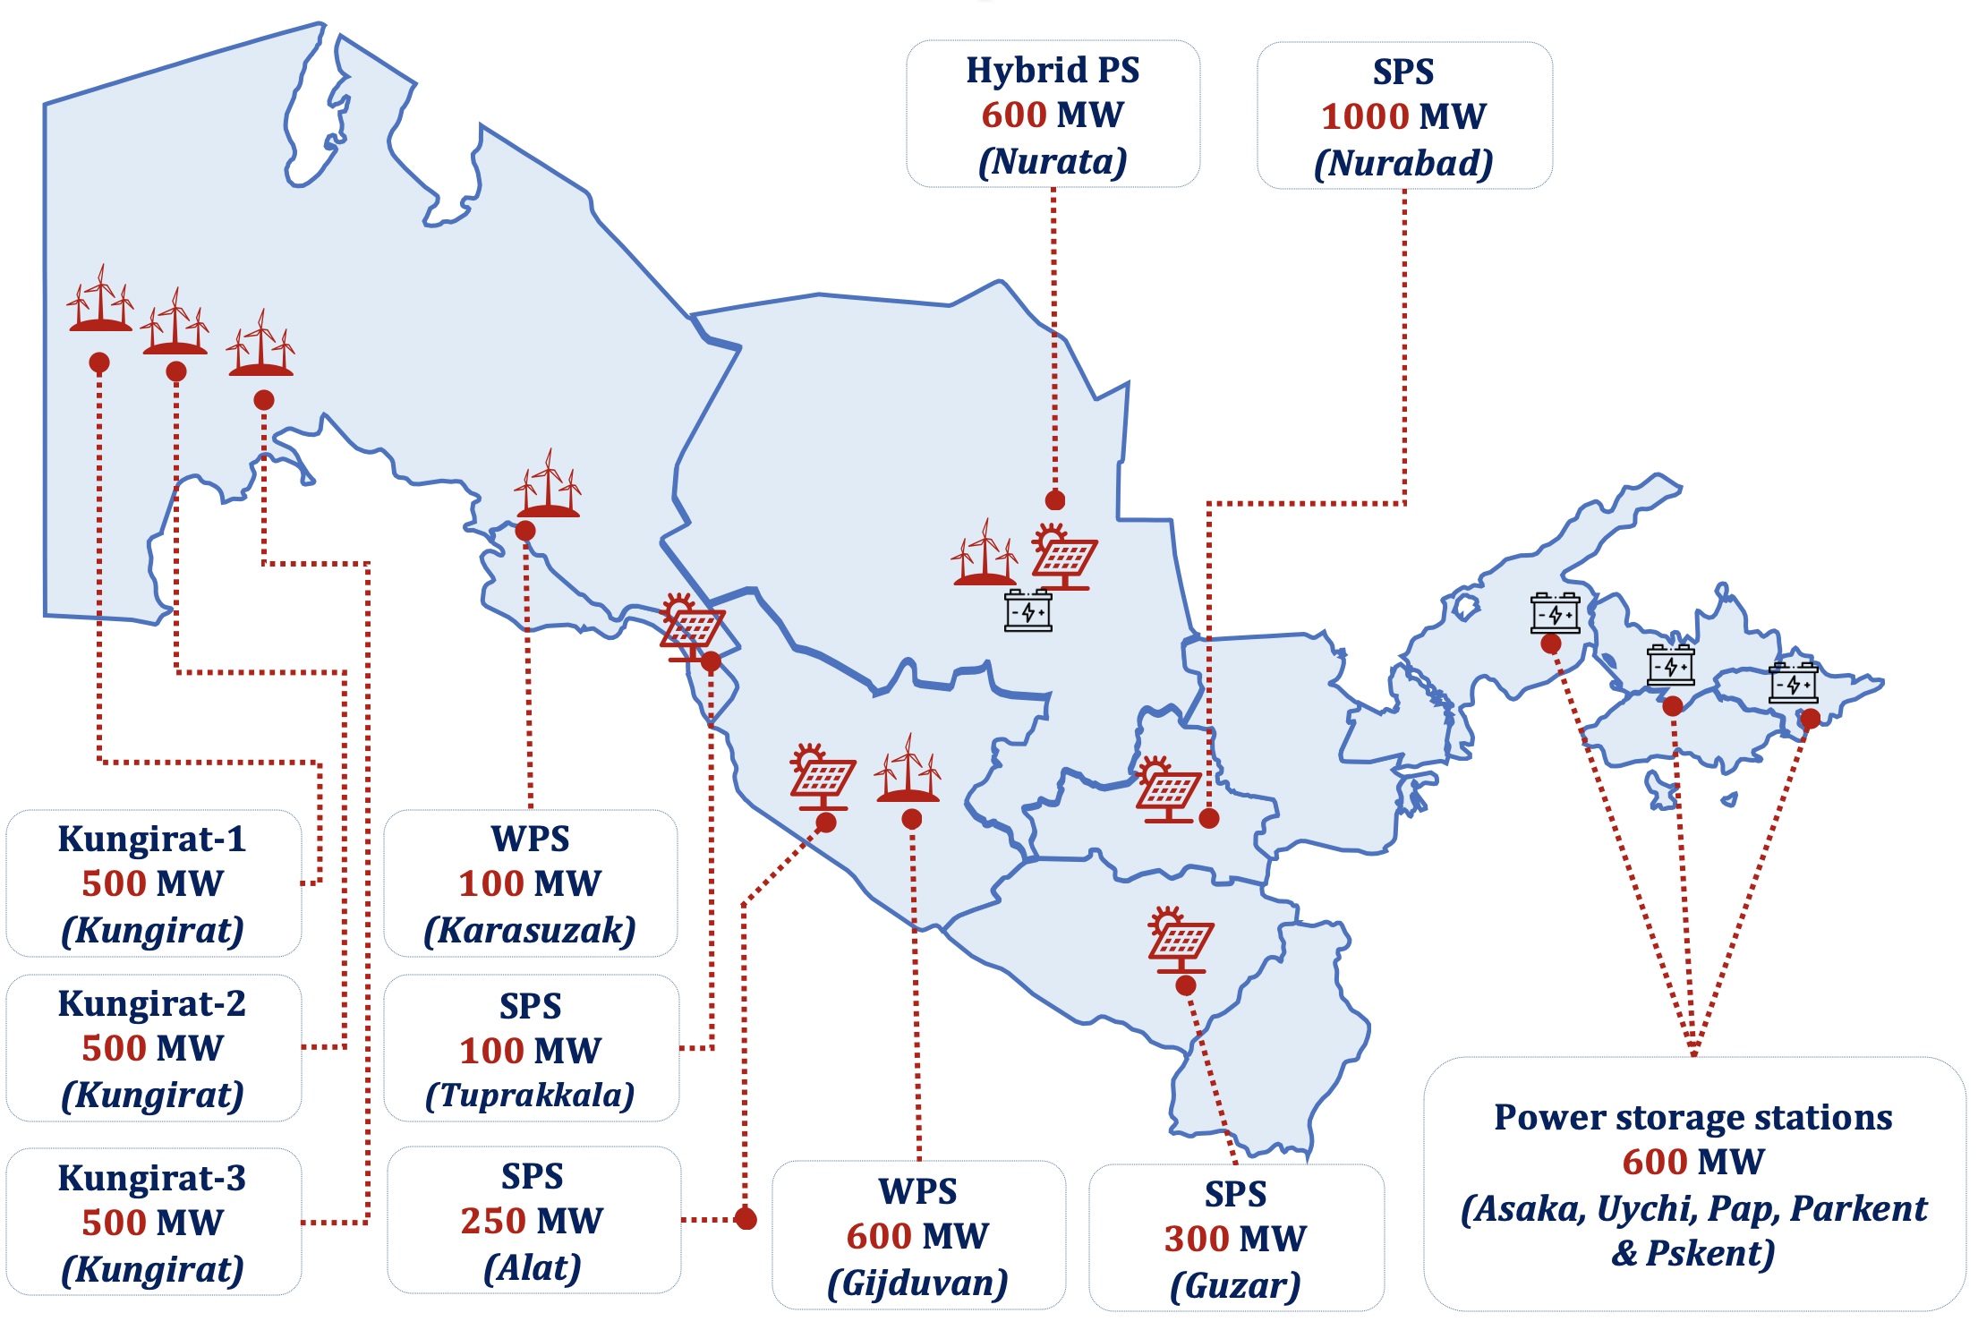
Nishan SPS "China Gezhoba" | MW | 200 | 500 | 500 | 500 | 500 | 500 | 500 | 500 |  | PPA
Korovulbazar SPS "China Gezhoba" | MW | 200 | 500 | 500 | 500 | 500 | 500 | 500 | 500 |  | PPA
Guzor SPS "Masdar" | MW |  |  |  | 300 | 300 | 300 | 300 | 300 |  | PPA
Pop SPS "Tepelen Group AG" | MW |  | 200 | 500 | 500 | 500 | 500 | 500 | 500 |  | PTA
Tutli SPS "Tepelen Group AG" | MW | 30 | 30 | 30 | 30 | 30 | 30 | 30 | 30 |  | PPA
Navoiy SPS "Tepelen Group AG" | MW |  | 200 | 200 | 200 | 200 | 200 | 200 | 200 |  | PTA
Karakul SPS "Tepelen Group AG" | MW |  |  | 100 | 200 | 500 | 500 | 500 | 500 |  | PTA
Pop SPS "Hyper Partners" | MW |  | 100 | 500 | 500 | 500 | 500 | 500 | 500 |  | PPA
Nurata SPS "China Gezhoba" | MW |  |  | 150 | 300 | 300 | 300 | 300 | 300 |  | PPA
Buka SPS "China Datang" | MW |  | 100 | 263 | 263 | 263 | 263 | 263 | 263 |  | PPA
Farish SPS "CEE", "Poly changda" | MW |  | 200 | 500 | 500 | 500 | 500 | 500 | 500 | 2 800 MW | HoT
Ferghana SPS "GD Power", "CAMCE" | MW |  | 200 | 500 | 500 | 500 | 500 | 500 | 500 |  | HoT
Ferghana SPS "Hyper Partners" | MW |  |  | 200 | 200 | 200 | 200 | 200 | 200 |  | HoT
Andijan SPS "Suling Energy" | MW |  | 100 | 400 | 400 | 400 | 400 | 400 | 400 |  | HoT
Navoiy SPS "Sinoma" | MW |  | 100 | 300 | 300 | 300 | 300 | 300 | 300 |  | HoT
Nurabad SPS "Total Energis" | MW |  |  |  |  |  | 900 | 900 | 900 |  | HoT
Bukhara Hybrid "Voltalia" | MW |  |  |  |  |  | 100 | 100 | 100 | 100 MW | JDA

capacity in the beginning of the year | MW | 200 | 1,527 | 3,527 | 5,990 | 7,005 | 7,705 | 9,205 | 9,205
added during quarter I | MW |  | +600 | +463 | +315
added until the end of the year | MW | +1,327 | +2,000 | +2,463 | +1,015 | +700 | +1,500 | 0 | 0
total capacity at the end of the year | MW | 1,527 | 3,527 | 5,990 | 7,005 | 7,705 | 9,205 | 9,205 | 9,205
Wind Power Stations
 | years | 2023 | 2024 | 2025 | 2026 | 2027 | 2028 | 2029 | 2030 | Изоҳ
Tomdi WPS "Masdar" | MW | 100 | 300 | 500 | 500 | 500 | 500 | 500 | 500 | PPA | 5 600 MW
Karatau-WPS-1 "ACWA Power" | MW |  |  | 100 | 100 | 100 | 100 | 100 | 100 | PPA
Bash-WPS-1 "ACWA Power" | MW |  | 200 | 500 | 500 | 500 | 500 | 500 | 500 | PPA
Bash-WPS-2 "ACWA Power" | MW |  |  |  | 100 | 300 | 300 | 300 | 300 | PPA
Bash-WPS-Hydrogen "ACWA Power" | MW |  |  | 100 | 100 | 100 | 100 | 100 | 100 | PPA
Jankeldi-WPS "ACWA Power" | MW |  | 200 | 500 | 500 | 500 | 500 | 500 | 500 | PPA
Kungirat-WPS-1 "ACWA Power" | MW |  |  |  |  | 250 | 500 | 500 | 500 | PPA
Kungirat-WPS-2 "ACWA Power" | MW |  |  |  |  | 250 | 500 | 500 | 500 | PPA
Kungirat-WPS-3 "ACWA Power" | MW |  |  |  |  | 250 | 500 | 500 | 500 | PPA
Kungirat-WPS-4 "ACWA Power" | MW |  |  |  |  |  | 300 | 500 | 500 | PPA
Shurkul WPS "Liaoning Lide Ltd" | MW |  |  |  | 100 | 400 | 600 | 600 | 600 | PPA
Bulungur WPS "Universal Energy" | MW |  |  |  | 100 | 300 | 500 | 500 | 500 | PPA
Karatau-WPS-2 "ACWA Power" | MW |  |  |  | 200 | 200 | 200 | 200 | 200 | PPA
Nurata WPS "China Gezhoba" | MW |  |  |  | 300 | 300 | 300 | 300 | 300 | PPA
Kungirat WPS-5 "Sany renewables" | MW |  |  |  |  |  | 200 | 700 | 1,000 | HoT | 8 000 MW
Kungirat WPS-6 "AMEA Power" | MW |  |  |  |  |  | 200 | 700 | 1,000 | HoT
Uchkuduk WPS "Nebras" | MW |  |  |  |  |  | 100 | 500 | 500 | HoT
Tamdi-Uchkuduk WPS "Datang" | MW |  |  |  |  |  | 100 | 500 | 500 | HoT
Samarkand WPS "Suling" | MW |  |  |  |  |  | 100 | 500 | 500 | HoT
Kashkadarya WPS "Suling" | MW |  |  |  |  |  | 100 | 500 | 500 | HoT
Farish WPS "Huadian" | MW |  |  |  |  |  | 100 | 500 | 500 | HoT
Jandar WPS "Toyoto Tsusho" | MW |  |  |  |  |  |  | 100 | 500 | HoT
Bukhara Hybrid "Voltalia" | MW |  |  |  |  |  |  | 150 | 300 | JDA | 10 300 MW
ETTB WPS Under tendering | MW |  |  |  |  |  |  | 500 | 1,000 | JDA
Mingbulak WPS "Masdar" (2000) | MW |  |  |  |  |  |  | 1,000 | 2,000 | JDA
Peshku-Gijduvan WPS "ACWA Power" (2000) | MW |  |  |  |  |  |  | 1,000 | 2,000 | JDA
Kungurat WPSes "ACWA Power" (5000) | MW |  |  |  |  |  |  | 2,500 | 5,000 | JDA
capacity in the beginning of the year | MW | 0 | 100 | 700 | 1,700 | 2,500 | 3,950 | 6,300 | 14,750
added during quarter I | MW |  | +50 | +200 | +300 | +500 | +1,500 | +3,700 | +3,250
added until the end of the year | MW | +100 | +550 | +800 | +500 | +950 | +850 | +4,750 | +2,900
total capacity at the end of the year | MW | 100 | 700 | 1,700 | 2,500 | 3,950 | 6,300 | 14,750 | 20,900

Hydroaccumulation (HAS)
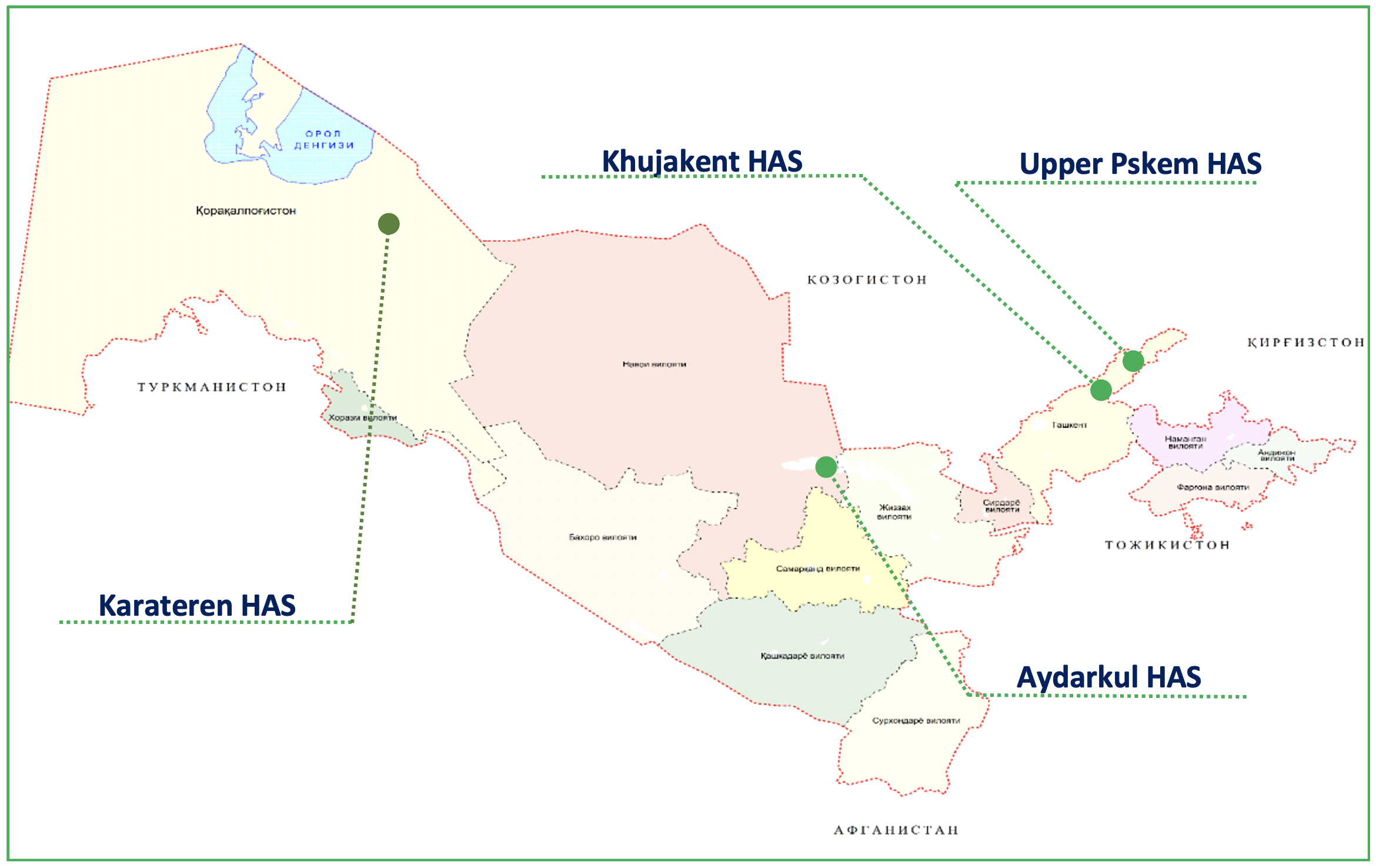
Duration | Name | Location | Capacity | Generation | Project cost
2024-2030 | Upper Pskem HAS | Tashkent region | 600 MW | 1 050 MWh | 1 020 mln USD
2024-2030 | Khujakent HAS | Tashkent region | 200 MW | 400 MWh | 320 mln USD
2024-2031 | Karateren HAS | Karakalpakistan republic | 500 MW | 900 MWh | 477 mln USD
2024-2031 | Aydarkul | Djizzakh region | 300 MW | 450 MWh | 350 mln USD

